Table 1
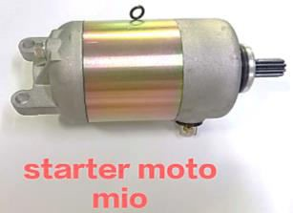
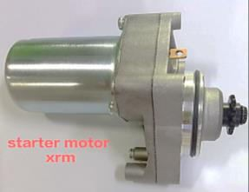
STARTER MOTOR 230

#230SM1 STARTER MOTOR MIOi125/M3 230000009855 | #230SM2 STARTER MOTOR MIO125 230000009856 | #230SM3 STARTER MOTOR MIO 230000009857 | #230SM4 STARTER MOTOR XRM110 230000009858
CAM CHAIN GUIDE 231

#231CCG1 CAM CHAIN GUIDE TMX SUPREMO 81.820 230000009756 | #231CCG2 CAM CHAIN GUIDE NMAX 74.546 230000009757 | #231CCG3 CAM CHAIN GUIDE MIO 90.910 230000009758 | #231CCG4 CAM CHAIN GUIDE CRYPTON 90.910 230000009759

#231CCG5 CAM CHAIN GUIDE CT100/BAJAJ 90.910 230000009760

#231CCG6 CAM CHAIN GUIDE W125 74.546 230000009761

#231CCG7 CAM CHAIN GUIDE SMASH 90.910 230000009762

#231CCG8 CAM CHAIN GUIDE MIO M3 72.730 230000009763

#231CCG9 CAM CHAIN GUIDE CLICK150i 90.910 230000009764

#231CCG10 CAM CHAIN GUIDE CLICK125i 90.910 230000009765

Table 2
OIL SEAL KICK STARTER 232

#232OSKS1 OIL SEAL KICK STARTER
15X25X5
MIO 230000009865
OIL SEAL PULLEY SIDE 233
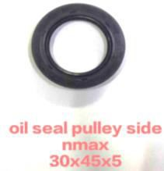
#233OSPS1 OIL SEAL PULLEY SIDE
30X45X5
NMAX 230000009866
OIL SEAL REAR AXLE DRIVE 234

#234OSRAD1 OIL SEAL REAR AXLE DRIVE
26X48X7
MIO 230000009867

